Sheet1
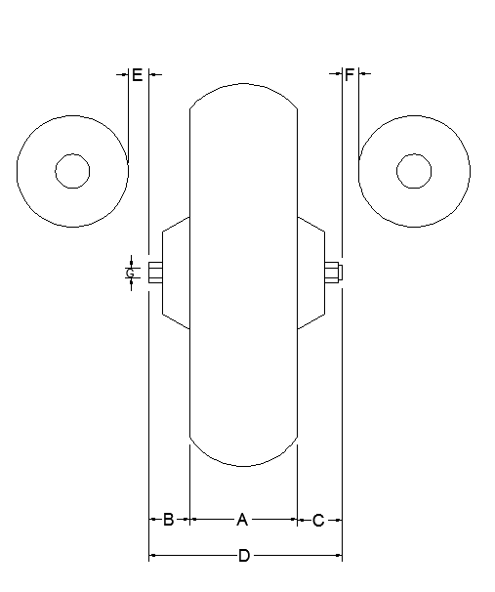
List Make and Model:

List Dimensions here in Imperial or Metric |  | inches
A | Width of rear tire on Motorcycle | 0
B | Edge of tire to tip of axle bolt LHS | 0
C | Edge of tire to tip of axle bolt RHS | 0
D | Overal axle length ( A+B+C) | 0
E | Clearance from pipe to axle bolt*
F | Clearance from pipe to axle bolt*
G | Inside Diameter of hollow axle* | 0

*If Applicable

